Trang tính1
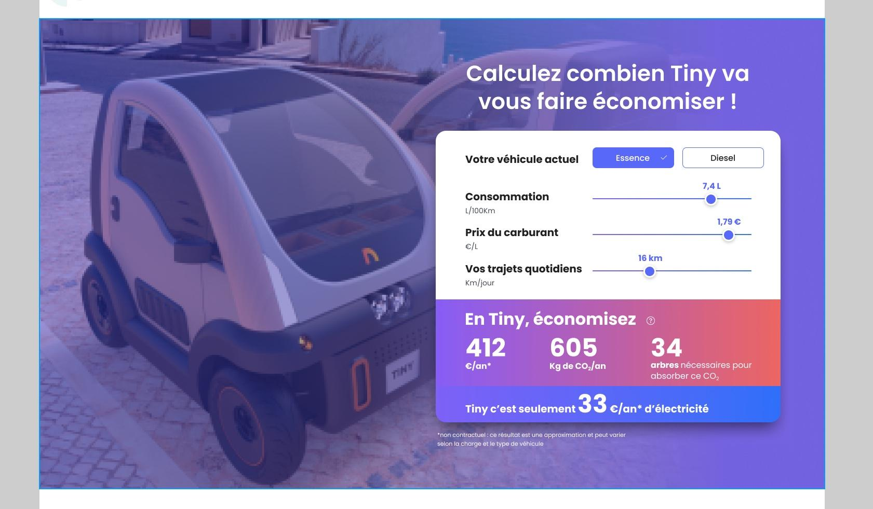
# | Deal | Price ($) | Deadline | Status of payment | Deposit ($) | Status of mission | Image
1 | Selecting category by image for 123redaction.fr | 170 | Complete | Paid |  | Complete
2 | Fabien changes and bug list (123redaction.fr ) : https://docs.google.com/document/d/1-2b32vAAUtQMGpC4a2BV-wgyqymqgiUh/edit | 200 | Stop | Not | not | no start
3 | Pop up freelancers for 123redaction.fr | 200 | Paid | Paid | Complete | Complete
4 | the specified block for https://tiny.qtdev.fr/ | 200 | Complete | Paid | Complete | Complete
5
6

